Composite
Combined Scores

 | Urban Area

 |  | Coefficientsa
 |  | Model |  | Unstandardized Coefficients |  | Standardized Coefficients | t | Sig.
 |  |  |  | B | Std. Error | Beta
 |  | 1 | (Constant) | 0.769 | 0.000 |  | 3601.487 | 0.000
 |  |  | urbscore Urban wealth score | 0.831 | 0.000 | 0.994 | 3890.668 | 0.000
 |  | a. Dependent Variable: comscore Common wealth score

 |  |  | Combined Score= .769+.831 * Urban Score

 | Rural

 |  | Coefficientsa
 |  | Model |  | Unstandardized Coefficients |  | Standardized Coefficients | t | Sig.
 |  |  |  | B | Std. Error | Beta
 |  | 1 | (Constant) | -0.318 | 0.000 |  | -3908.883 | 0.000
 |  |  | rurscore Rural wealth score | 0.881 | 0.000 | 0.998 | 10824.926 | 0.000
 |  | a. Dependent Variable: comscore Common wealth score

 |  |  | Combined Score= -.318 + .881 * Rural Score

 | Combined Score

 |  | Statistics
 |  | combscor Combined national wealth score
 |  | N | Valid | 601509
 |  |  | Missing | 0
 |  | Mean |  | 0.0825442
 |  | Std. Error of Mean |  | 0.00130452
 |  | Median |  | 0.0630066
 |  | Mode |  | 2.11655
 |  | Std. Deviation |  | 1.01174663
 |  | Skewness |  | 0.091
 |  | Std. Error of Skewness |  | 0.003
 |  | Kurtosis |  | -0.989
 |  | Std. Error of Kurtosis |  | 0.006
 |  | Minimum |  | -2.40323
 |  | Maximum |  | 3.00055
 |  | Percentiles | 20 | -0.9294019
 |  |  | 40 | -0.2665299
 |  |  | 60 | 0.3948751
 |  |  | 80 | 1.0727570

 | histrogram

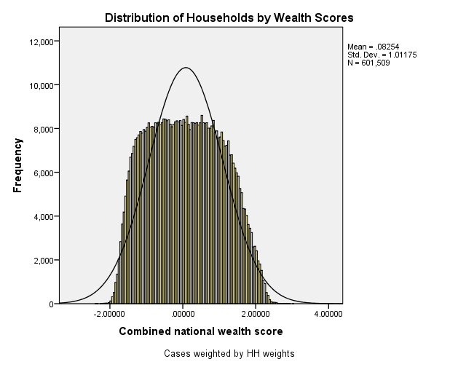

 | Table 2.6 Wealth Quintiles Percent distribution of the de jure population by wealth quintiles, according to residence and region, India NFHS 2014-16
 | Residence/region |  | Ncombsco Combined wealth index
 |  |  | Lowest | Second | Middle | Fourth | Highest | Total
 | QHTYPE Type of PSU | Urban | 3.1 | 7.0 | 15.6 | 30.0 | 44.4 | 100.0 | 911453
 |  | Rural | 28.4 | 26.5 | 22.2 | 15.0 | 7.9 | 100.0 | 1837788
 | QHSTATE Region | [AN] Andaman & Nicobar Islands | 4.4 | 10.4 | 21.5 | 32.7 | 31.0 | 100.0 | 804
 |  | [AP] Andhra Pradesh | 4.6 | 15.3 | 32.5 | 29.9 | 17.7 | 100.0 | 112329
 |  | [AR] Arunachal Pradesh | 19.4 | 25.2 | 25.6 | 20.6 | 9.2 | 100.0 | 2365
 |  | [AS] Assam | 24.4 | 38.7 | 18.6 | 12.2 | 6.1 | 100.0 | 66873
 |  | [BR] Bihar | 51.2 | 23.2 | 13.4 | 8.9 | 3.3 | 100.0 | 240131
 |  | [CH] Chandigarh | 0.7 | 2.4 | 4.9 | 11.2 | 80.8 | 100.0 | 2150
 |  | [CT] Chhattisgarh | 31.0 | 25.3 | 16.7 | 12.7 | 14.3 | 100.0 | 62053
 |  | [DN] Dadra & Nagar Haveli | 21.4 | 24.0 | 16.1 | 20.5 | 18.0 | 100.0 | 706
 |  | [DD] Daman & Diu | 0.3 | 12.6 | 19.5 | 34.6 | 33.1 | 100.0 | 406
 |  | [GA] Goa | 0.3 | 4.5 | 11.1 | 28.1 | 55.9 | 100.0 | 3245
 |  | [GJ] Gujarat | 8.7 | 16.8 | 21.1 | 24.2 | 29.4 | 100.0 | 131497
 |  | [HR] Haryana | 1.7 | 7.3 | 17.4 | 26.5 | 47.1 | 100.0 | 62803
 |  | [HP] Himachal Pradesh | 1.7 | 9.5 | 23.2 | 33.3 | 32.3 | 100.0 | 14516
 |  | [JK] Jammu & Kashmir | 7.3 | 19.6 | 24.5 | 23.5 | 25.2 | 100.0 | 26241
 |  | [JH] Jharkhand | 46.1 | 21.1 | 14.0 | 9.9 | 8.8 | 100.0 | 73553
 |  | [KA] Karnataka | 6.3 | 19.9 | 26.7 | 26.6 | 20.4 | 100.0 | 133766
 |  | [KL] Kerala | 0.3 | 2.2 | 13.3 | 35.8 | 48.5 | 100.0 | 78979
 |  | [LD] Lakshadweep | 0.1 | 0.4 | 9.1 | 52.7 | 37.6 | 100.0 | 162
 |  | [MP] Madhya Pradesh | 31.0 | 22.4 | 16.0 | 14.4 | 16.2 | 100.0 | 177773
 |  | [MH] Maharashtra | 9.2 | 16.0 | 22.4 | 26.4 | 25.9 | 100.0 | 266426
 |  | [MN] Manipur | 8.9 | 30.9 | 30.3 | 19.5 | 10.4 | 100.0 | 4889
 |  | [ML] Meghalaya | 11.4 | 35.5 | 31.5 | 15.3 | 6.3 | 100.0 | 6418
 |  | [MZ] Mizoram | 6.0 | 10.0 | 20.2 | 28.9 | 34.8 | 100.0 | 2322
 |  | [NL] Nagaland | 11.8 | 31.5 | 26.1 | 19.3 | 11.3 | 100.0 | 3290
 |  | [DL] Delhi | 0.1 | 1.9 | 13.4 | 21.8 | 62.8 | 100.0 | 40756
 |  | [OR] Odisha | 37.0 | 26.2 | 18.4 | 11.1 | 7.3 | 100.0 | 93791
 |  | [PY] Puducherry | 2.4 | 9.3 | 21.2 | 30.5 | 36.6 | 100.0 | 2667
 |  | [PB] Punjab | 0.6 | 3.7 | 11.8 | 21.9 | 62.0 | 100.0 | 60469
 |  | [RJ] Rajasthan | 17.2 | 23.1 | 21.2 | 18.6 | 19.8 | 100.0 | 150149
 |  | [SK] Sikkim | 0.6 | 7.0 | 42.8 | 38.0 | 11.7 | 100.0 | 1137
 |  | [TN] Tamil Nadu | 3.5 | 14.7 | 27.5 | 31.6 | 22.7 | 100.0 | 179412
 |  | [TR] Tripura | 13.0 | 43.4 | 22.7 | 14.7 | 6.2 | 100.0 | 7958
 |  | [UP] Uttar Pradesh | 29.4 | 22.9 | 17.3 | 14.9 | 15.5 | 100.0 | 426173
 |  | [UT] Uttarakhand | 4.8 | 17.6 | 25.0 | 22.9 | 29.8 | 100.0 | 22599
 |  | [WB] West Bengal | 22.8 | 29.7 | 21.2 | 17.2 | 9.1 | 100.0 | 206602
 |  | [TG] Telagana | 6.3 | 17.2 | 25.9 | 27.4 | 23.2 | 100.0 | 83832
 | total Total |  | 20.0 | 20.0 | 20.0 | 20.0 | 20.0 | 100.0 | 2749241

